IMAGES
Item Name | Item Image | Do not delete this cell
 |  | <-These cells are intentionally left blank
N
612-1879-1 | 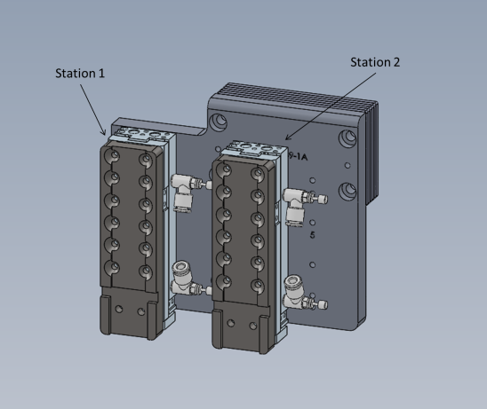
612-1879-2 | 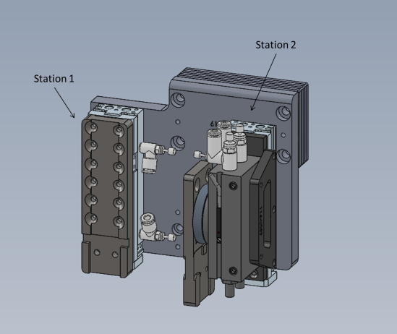
612-1879-3 | 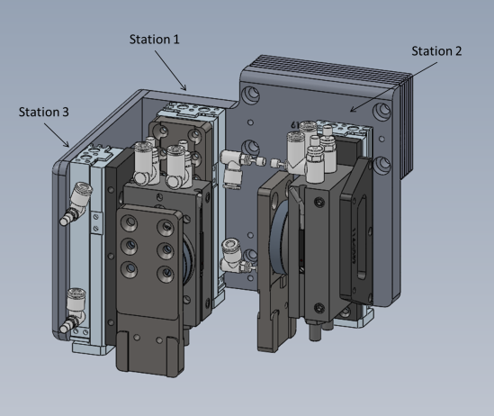
612-1879-4 | 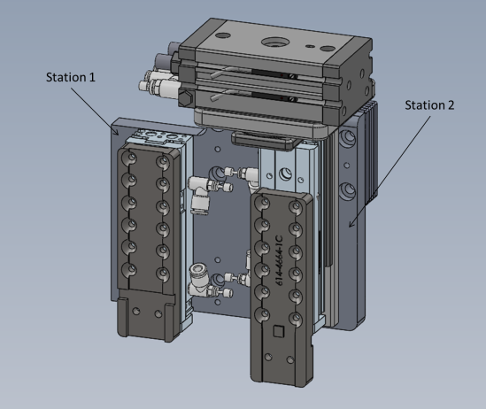
612-1879-5 | 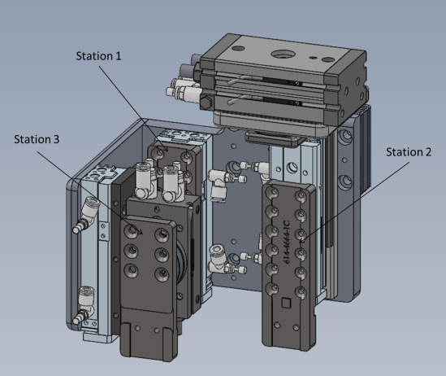
612-3336-1 | 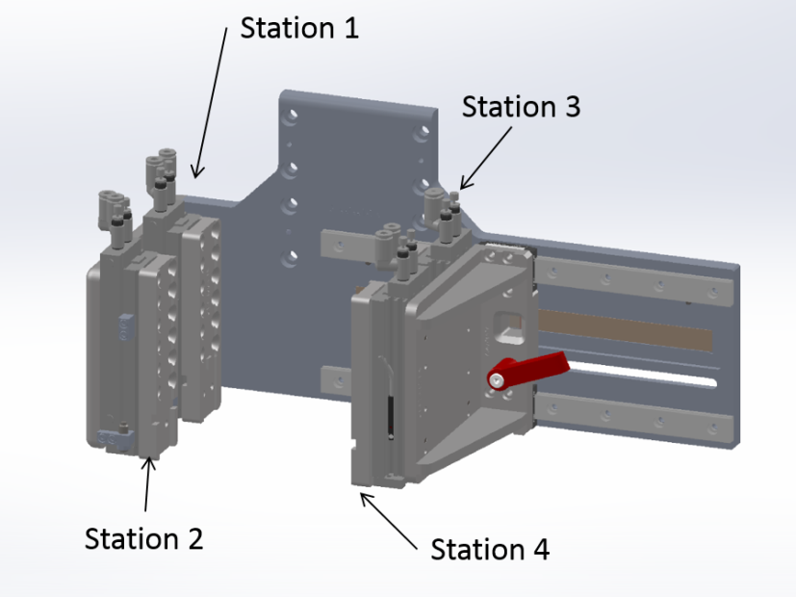
612-1867-1 | 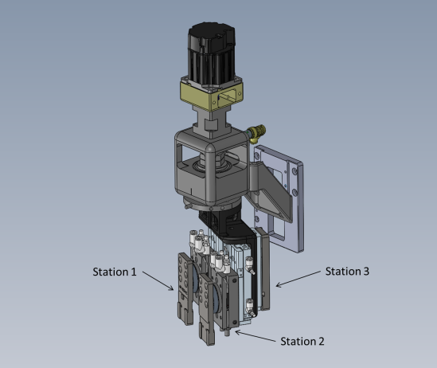
612-3338-1 | 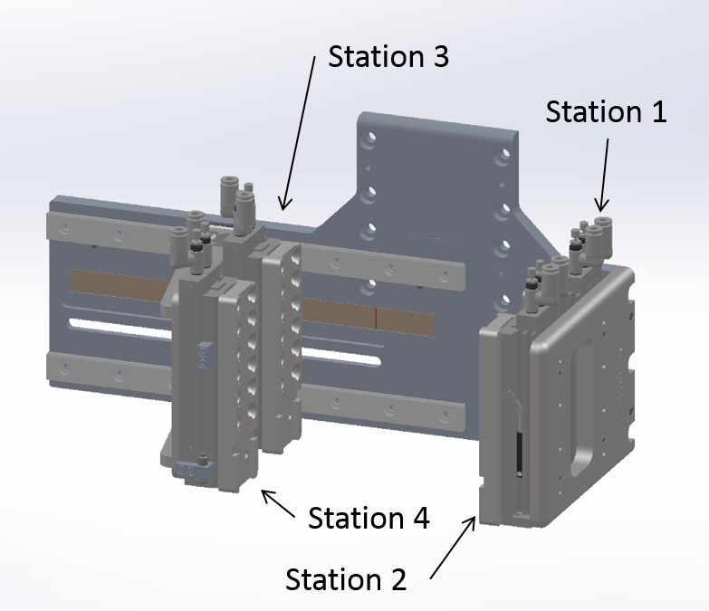
612-3172-1 | 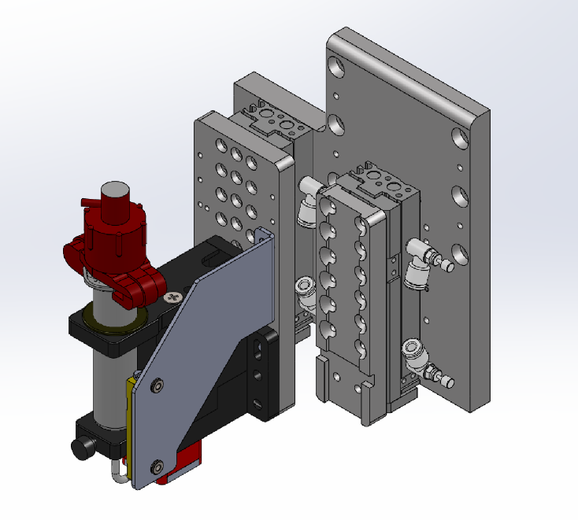
612-3172-2 | 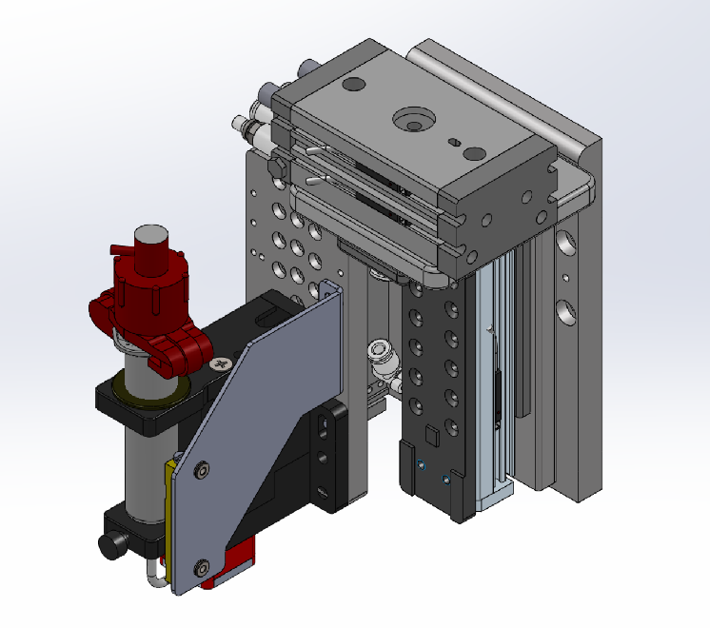
612-1867-2

